Sheet1
from Olson et al S3 Eq S16
Olson, E. M., Allen, S. E., Do, V., Dunphy, M., & Ianson, D. (2020). Assessment of Nutrient Supply by a Tidal Jet in the Northern Strait of Georgia Based on a Biogeochemical Model. Journal of Geophysical Research: Oceans, 125(8), 1–25. https://doi.org/10.1029/2019jc015766
repeated in Suchy et al 2025
Suchy, K. D., Allen, S. E., & Olson, E. (2025). Mechanistic Links Between Climatic Forcing and Model-Based Plankton Dynamics in the Strait of Georgia, Canada. Journal of Geophysical Research: Oceans, 130(5), e2024JC021036. https://doi.org/10.1029/2024JC021036

 |  |  |  |  |  |  | units
 |  |  |  |  | O_range_dia | 14 | C
From Olson et al 2020 in supplement |  |  |  |  | O_max_dia | 26 | C

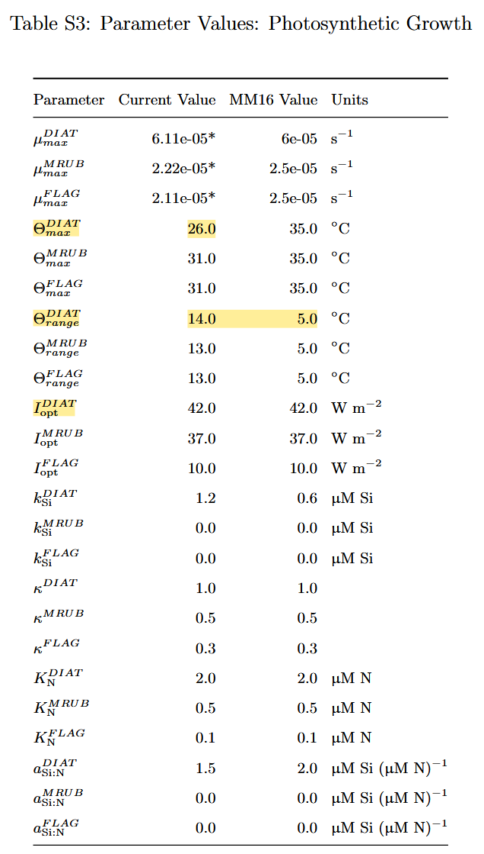
 |  |  | conditional parts
 | Temp (C) | first part | 1 of 3 | 2 of 3 | 3 of 3 | Conditional Response
 | 0 | 0.24659696394 | 1 | 1.86 | 0 | 0.24659696394
 | 0.17 | 0.24954899758 | 1 | 1.85 | 0 | 0.24954899758 |  | 0
 | 0.34 | 0.25253637026 | 1 | 1.83 | 0 | 0.25253637026 |  | 0
 | 0.51 | 0.25555950504 | 1 | 1.82 | 0 | 0.25555950504 |  | 0
 | 0.68 | 0.25861883004 | 1 | 1.81 | 0 | 0.25861883004 |  | 0
 | 0.85 | 0.26171477847 | 1 | 1.80 | 0 | 0.26171477847 |  | 0
 | 1.02 | 0.26484778877 | 1 | 1.78 | 0 | 0.26484778877 |  | 0
 | 1.19 | 0.26801830462 | 1 | 1.77 | 0 | 0.26801830462 |  | 0
Response
 | 1.36 | 0.27122677498 | 1 | 1.76 | 0 | 0.27122677498 |  | 0
 | 1.53 | 0.27447365421 | 1 | 1.75 | 0 | 0.27447365421 |  | 0
 | 1.7 | 0.27775940213 | 1 | 1.74 | 0 | 0.27775940213 |  | 0
 | 1.87 | 0.28108448401 | 1 | 1.72 | 0 | 0.28108448401 |  | 0
 | 2.04 | 0.28444937074 | 1 | 1.71 | 0 | 0.28444937074 |  | 0
 | 2.21 | 0.28785453881 | 1 | 1.70 | 0 | 0.28785453881 |  | 0
 | 2.38 | 0.29130047045 | 1 | 1.69 | 0 | 0.29130047045 |  | 0
 | 2.55 | 0.29478765364 | 1 | 1.68 | 0 | 0.29478765364 |  | 0
 | 2.72 | 0.2983165822 | 1 | 1.66 | 0 | 0.2983165822 |  | 0
 | 2.89 | 0.30188775587 | 1 | 1.65 | 0 | 0.30188775587 |  | 0
 | 3.06 | 0.30550168037 | 1 | 1.64 | 0 | 0.30550168037 |  | 0
 | 3.23 | 0.30915886747 | 1 | 1.63 | 0 | 0.30915886747 |  | 0
 | 3.4 | 0.31285983508 | 1 | 1.61 | 0 | 0.31285983508 |  | 0
 | 3.57 | 0.31660510729 | 1 | 1.60 | 0 | 0.31660510729 |  | 0
 | 3.74 | 0.32039521447 | 1 | 1.59 | 0 | 0.32039521447 |  | 0
 | 3.91 | 0.32423069336 | 1 | 1.58 | 0 | 0.32423069336 |  | 0
 | 4.08 | 0.3281120871 | 1 | 1.57 | 0 | 0.3281120871 |  | 0
 | 4.25 | 0.33203994534 | 1 | 1.55 | 0 | 0.33203994534 |  | 0
 | 4.42 | 0.33601482432 | 1 | 1.54 | 0 | 0.33601482432 |  | 0
 | 4.59 | 0.34003728691 | 1 | 1.53 | 0 | 0.34003728691 |  | 0
 | 4.76 | 0.34410790275 | 1 | 1.52 | 0 | 0.34410790275 |  | 0 | The intended shape from Suchy et al., 2025, supplemental
 | 4.93 | 0.34822724829 | 1 | 1.51 | 0 | 0.34822724829 |  | 0
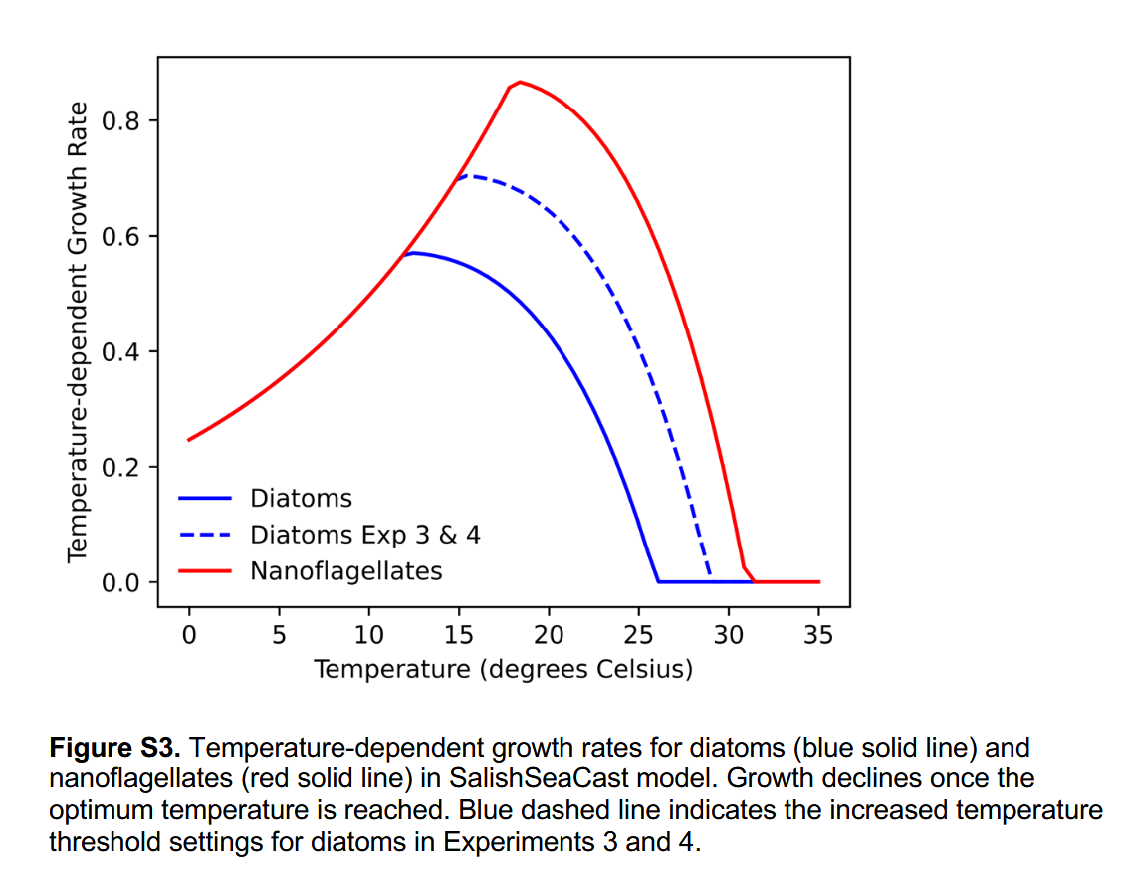
 | 5.1 | 0.35239590687 | 1 | 1.49 | 0 | 0.35239590687 |  | 0
 | 5.27 | 0.35661446882 | 1 | 1.48 | 0 | 0.35661446882 |  | 0
 | 5.44 | 0.36088353155 | 1 | 1.47 | 0 | 0.36088353155 |  | 0
 | 5.61 | 0.36520369959 | 1 | 1.46 | 0 | 0.36520369959 |  | 0
 | 5.78 | 0.36957558474 | 1 | 1.44 | 0 | 0.36957558474 |  | 0
 | 5.95 | 0.37399980611 | 1 | 1.43 | 0 | 0.37399980611 |  | 0
 | 6.12 | 0.37847699021 | 1 | 1.42 | 0 | 0.37847699021 |  | 0
 | 6.29 | 0.38300777107 | 1 | 1.41 | 0 | 0.38300777107 |  | 0
 | 6.46 | 0.38759279031 | 1 | 1.40 | 0 | 0.38759279031 |  | 0
 | 6.63 | 0.3922326972 | 1 | 1.38 | 0 | 0.3922326972 |  | 0
 | 6.8 | 0.39692814883 | 1 | 1.37 | 0 | 0.39692814883 |  | 0
 | 6.97 | 0.40167981011 | 1 | 1.36 | 0 | 0.40167981011 |  | 0
 | 7.14 | 0.40648835394 | 1 | 1.35 | 0 | 0.40648835394 |  | 0
 | 7.31 | 0.41135446127 | 1 | 1.34 | 0 | 0.41135446127 |  | 0
 | 7.48 | 0.41627882119 | 1 | 1.32 | 0 | 0.41627882119 |  | 0
 | 7.65 | 0.42126213104 | 1 | 1.31 | 0 | 0.42126213104 |  | 0
 | 7.82 | 0.42630509654 | 1 | 1.30 | 0 | 0.42630509654 |  | 0
 | 7.99 | 0.43140843181 | 1 | 1.29 | 0 | 0.43140843181 |  | 0
 | 8.16 | 0.43657285955 | 1 | 1.27 | 0 | 0.43657285955 |  | 0
 | 8.33 | 0.4417991111 | 1 | 1.26 | 0 | 0.4417991111 |  | 0
 | 8.5 | 0.44708792656 | 1 | 1.25 | 0 | 0.44708792656 |  | 0
 | 8.67 | 0.45244005489 | 1 | 1.24 | 0 | 0.45244005489 |  | 0
 | 8.84 | 0.45785625401 | 1 | 1.23 | 0 | 0.45785625401 |  | 0
 | 9.01 | 0.46333729092 | 1 | 1.21 | 0 | 0.46333729092 |  | 0
 | 9.18 | 0.4688839418 | 1 | 1.20 | 0 | 0.4688839418 |  | 0
 | 9.35 | 0.47449699212 | 1 | 1.19 | 0 | 0.47449699212 |  | 0
 | 9.52 | 0.48017723675 | 1 | 1.18 | 0 | 0.48017723675 |  | 0
 | 9.69 | 0.48592548008 | 1 | 1.17 | 0 | 0.48592548008 |  | 0
 | 9.86 | 0.49174253613 | 1 | 1.15 | 0 | 0.49174253613 |  | 0
 | 10.03 | 0.49762922867 | 1 | 1.14 | 0 | 0.49762922867 |  | 0
 | 10.2 | 0.50358639131 | 1 | 1.13 | 0 | 0.50358639131 |  | 0
 | 10.37 | 0.50961486766 | 1 | 1.12 | 0 | 0.50961486766 |  | 0 | And in Olson et al supplemental
 | 10.54 | 0.51571551142 | 1 | 1.10 | 0 | 0.51571551142 |  | 0
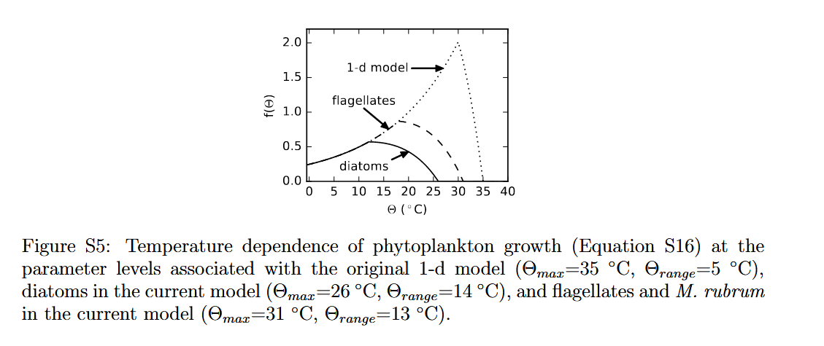
 | 10.71 | 0.52188918652 | 1 | 1.09 | 0 | 0.52188918652 |  | 0
 | 10.88 | 0.52813676722 | 1 | 1.08 | 0 | 0.52813676722 |  | 0
 | 11.05 | 0.53445913824 | 1 | 1.07 | 0 | 0.53445913824 |  | 0
 | 11.22 | 0.54085719492 | 1 | 1.06 | 0 | 0.54085719492 |  | 0
 | 11.39 | 0.5473318433 | 1 | 1.04 | 0 | 0.5473318433 |  | 0
 | 11.56 | 0.55388400024 | 1 | 1.03 | 0 | 0.55388400024 |  | 0
 | 11.73 | 0.56051459363 | 1 | 1.02 | 0 | 0.56051459363 |  | 0
 | 11.9 | 0.56722456243 | 1 | 1.01 | 0 | 0.56722456243 |  | 0
 | 12.07 | 0.57401485684 | 1 | 1.00 | 0 | 0.57114478256 |  | 0.995
 | 12.24 | 0.58088643846 | 1 | 0.98 | 0 | 0.57092838523 |  | 0.98285714286
 | 12.41 | 0.58784028037 | 1 | 0.97 | 0 | 0.57062495788 |  | 0.97071428571
 | 12.58 | 0.59487736733 | 1 | 0.96 | 0 | 0.57023244783 |  | 0.95857142857
 | 12.75 | 0.60199869587 | 1 | 0.95 | 0 | 0.56974876574 |  | 0.94642857143
 | 12.92 | 0.60920527445 | 1 | 0.93 | 0 | 0.56917178499 |  | 0.93428571429
 | 13.09 | 0.61649812361 | 1 | 0.92 | 0 | 0.56849934113 |  | 0.92214285714
 | 13.26 | 0.6238782761 | 1 | 0.91 | 0 | 0.56772923125 |  | 0.91
 | 13.43 | 0.63134677703 | 1 | 0.90 | 0 | 0.56685921337 |  | 0.89785714286
 | 13.6 | 0.63890468403 | 1 | 0.89 | 0 | 0.56588700586 |  | 0.88571428571
 | 13.77 | 0.6465530674 | 1 | 0.87 | 0 | 0.56481028673 |  | 0.87357142857
 | 13.94 | 0.65429301022 | 1 | 0.86 | 0 | 0.56362669309 |  | 0.86142857143
 | 14.11 | 0.66212560857 | 1 | 0.85 | 0 | 0.56233382042 |  | 0.84928571429
 | 14.28 | 0.67005197164 | 1 | 0.84 | 0 | 0.56092922197 |  | 0.83714285714
 | 14.45 | 0.67807322188 | 1 | 0.83 | 0 | 0.55941040805 |  | 0.825
 | 14.62 | 0.68619049521 | 1 | 0.81 | 0 | 0.55777484539 |  | 0.81285714286
 | 14.79 | 0.69440494112 | 1 | 0.80 | 0 | 0.55601995642 |  | 0.80071428571
 | 14.96 | 0.70271772287 | 1 | 0.79 | 0 | 0.5541431186 |  | 0.78857142857
 | 15.13 | 0.71113001765 | 1 | 0.78 | 0 | 0.55214166371 |  | 0.77642857143
 | 15.3 | 0.71964301675 | 1 | 0.76 | 0 | 0.55001287709 |  | 0.76428571429
 | 15.47 | 0.72825792569 | 1 | 0.75 | 0 | 0.54775399697 |  | 0.75214285714
 | 15.64 | 0.73697596446 | 1 | 0.74 | 0 | 0.5453622137 |  | 0.74
 | 15.81 | 0.74579836762 | 1 | 0.73 | 0 | 0.54283466901 |  | 0.72785714286
 | 15.98 | 0.75472638454 | 1 | 0.72 | 0 | 0.54016845522 |  | 0.71571428571
 | 16.15 | 0.76376127952 | 1 | 0.70 | 0 | 0.53736061452 |  | 0.70357142857
 | 16.32 | 0.77290433202 | 1 | 0.69 | 0 | 0.53440813814 |  | 0.69142857143
 | 16.49 | 0.78215683678 | 1 | 0.68 | 0 | 0.53130796556 |  | 0.67928571429
 | 16.66 | 0.79152010409 | 1 | 0.67 | 0 | 0.52805698373 |  | 0.66714285714
 | 16.83 | 0.80099545988 | 1 | 0.66 | 0 | 0.52465202622 |  | 0.655
 | 17 | 0.81058424597 | 1 | 0.64 | 0 | 0.52108987241 |  | 0.64285714286
 | 17.17 | 0.82028782025 | 1 | 0.63 | 0 | 0.51736724663 |  | 0.63071428571
 | 17.34 | 0.83010755687 | 1 | 0.62 | 0 | 0.51348081732 |  | 0.61857142857
 | 17.51 | 0.8400448464 | 1 | 0.61 | 0 | 0.50942719614 |  | 0.60642857143
 | 17.68 | 0.85010109608 | 1 | 0.59 | 0 | 0.5052029371 |  | 0.59428571429
 | 17.85 | 0.86027773001 | 1 | 0.58 | 0 | 0.50080453568 |  | 0.58214285714
 | 18.02 | 0.8705761893 | 1 | 0.57 | 0 | 0.4962284279 |  | 0.57
 | 18.19 | 0.88099793234 | 1 | 0.56 | 0 | 0.4914709894 |  | 0.55785714286
 | 18.36 | 0.89154443496 | 1 | 0.55 | 0 | 0.48652853451 |  | 0.54571428571
 | 18.53 | 0.90221719069 | 1 | 0.53 | 0 | 0.48139731532 |  | 0.53357142857
 | 18.7 | 0.9130177109 | 1 | 0.52 | 0 | 0.47607352068 |  | 0.52142857143
 | 18.87 | 0.92394752507 | 1 | 0.51 | 0 | 0.47055327527 |  | 0.50928571429
 | 19.04 | 0.935008181 | 1 | 0.50 | 0 | 0.46483263855 |  | 0.49714285714
 | 19.21 | 0.946201245 | 1 | 0.48 | 0 | 0.45890760382 |  | 0.485
 | 19.38 | 0.95752830213 | 1 | 0.47 | 0 | 0.45277409715 |  | 0.47285714286
 | 19.55 | 0.96899095645 | 1 | 0.46 | 0 | 0.44642797637 |  | 0.46071428571
 | 19.72 | 0.9805908312 | 1 | 0.45 | 0 | 0.43986503 |  | 0.44857142857
 | 19.89 | 0.99232956906 | 1 | 0.44 | 0 | 0.43308097621 |  | 0.43642857143
 | 20.06 | 1.0042088324 | 1 | 0.42 | 0 | 0.42607146173 |  | 0.42428571429
 | 20.23 | 1.0162303034 | 1 | 0.41 | 0 | 0.41883206074 |  | 0.41214285714
 | 20.4 | 1.0283956844 | 1 | 0.40 | 0 | 0.41135827377 |  | 0.4
 | 20.57 | 1.0407066983 | 1 | 0.39 | 0 | 0.40364552656 |  | 0.38785714286
 | 20.74 | 1.0531650884 | 1 | 0.38 | 0 | 0.39568916894 |  | 0.37571428571
 | 20.91 | 1.065772619 | 1 | 0.36 | 0 | 0.38748447363 |  | 0.36357142857
 | 21.08 | 1.0785310754 | 1 | 0.35 | 0 | 0.37902663508 |  | 0.35142857143
 | 21.25 | 1.0914422644 | 1 | 0.34 | 0 | 0.37031076829 |  | 0.33928571429
 | 21.42 | 1.1045080144 | 1 | 0.33 | 0 | 0.36133190757 |  | 0.32714285714
 | 21.59 | 1.1177301756 | 1 | 0.32 | 0 | 0.35208500532 |  | 0.315
 | 21.76 | 1.1311106205 | 1 | 0.30 | 0 | 0.34256493077 |  | 0.30285714286
 | 21.93 | 1.1446512438 | 1 | 0.29 | 0 | 0.33276646872 |  | 0.29071428571
 | 22.1 | 1.158353963 | 1 | 0.28 | 0 | 0.32268431827 |  | 0.27857142857
 | 22.27 | 1.1722207187 | 1 | 0.27 | 0 | 0.31231309149 |  | 0.26642857143
 | 22.44 | 1.1862534746 | 1 | 0.25 | 0 | 0.30164731211 |  | 0.25428571429
 | 22.61 | 1.2004542178 | 1 | 0.24 | 0 | 0.29068141416 |  | 0.24214285714
 | 22.78 | 1.2148249593 | 1 | 0.23 | 0 | 0.27940974064 |  | 0.23
 | 22.95 | 1.2293677342 | 1 | 0.22 | 0 | 0.2678265421 |  | 0.21785714286
 | 23.12 | 1.2440846019 | 1 | 0.21 | 0 | 0.25592597526 |  | 0.20571428571
 | 23.29 | 1.2589776466 | 1 | 0.19 | 0 | 0.24370210159 |  | 0.19357142857
 | 23.46 | 1.2740489771 | 1 | 0.18 | 0 | 0.23114888585 |  | 0.18142857143
 | 23.63 | 1.2893007279 | 1 | 0.17 | 0 | 0.21826019465 |  | 0.16928571429
 | 23.8 | 1.3047350587 | 1 | 0.16 | 0 | 0.20502979494 |  | 0.15714285714
 | 23.97 | 1.3203541552 | 1 | 0.15 | 0 | 0.1914513525 |  | 0.145
 | 24.14 | 1.3361602293 | 1 | 0.13 | 0 | 0.17751843046 |  | 0.13285714286
 | 24.31 | 1.3521555192 | 1 | 0.12 | 0 | 0.16322448767 |  | 0.12071428571
 | 24.48 | 1.3683422901 | 1 | 0.11 | 0 | 0.14856287722 |  | 0.10857142857
 | 24.65 | 1.3847228343 | 1 | 0.10 | 0 | 0.13352684474 |  | 0.096428571429
 | 24.82 | 1.4012994714 | 1 | 0.08 | 0 | 0.11810952688 |  | 0.084285714286
 | 24.99 | 1.4180745489 | 1 | 0.07 | 0 | 0.1023039496 |  | 0.072142857143
 | 25.16 | 1.4350504423 | 1 | 0.06 | 0 | 0.086103026536 |  | 0.06
 | 25.33 | 1.4522295555 | 1 | 0.05 | 0 | 0.0694995573 |  | 0.047857142857
 | 25.5 | 1.4696143214 | 1 | 0.04 | 0 | 0.052486225766 |  | 0.035714285714
 | 25.67 | 1.4872072019 | 1 | 0.02 | 0 | 0.03505559833 |  | 0.023571428571
 | 25.84 | 1.5050106882 | 1 | 0.01 | 0 | 0.017200122151 |  | 0.011428571429
 | 26.01 | 1.5230273017 | 1 | 0.00 | 0 | 0 |  | 0
 | 26.18 | 1.5412595935 | 1 | -0.01 | 0 | 0 |  | 0
 | 26.35 | 1.5597101458 | 1 | -0.03 | 0 | 0 |  | 0
 | 26.52 | 1.5783815711 | 1 | -0.04 | 0 | 0 |  | 0
 | 26.69 | 1.5972765138 | 1 | -0.05 | 0 | 0 |  | 0
 | 26.86 | 1.6163976494 | 1 | -0.06 | 0 | 0 |  | 0
 | 27.03 | 1.6357476858 | 1 | -0.07 | 0 | 0 |  | 0
 | 27.2 | 1.6553293632 | 1 | -0.09 | 0 | 0 |  | 0
 | 27.37 | 1.6751454545 | 1 | -0.10 | 0 | 0 |  | 0
 | 27.54 | 1.6951987659 | 1 | -0.11 | 0 | 0 |  | 0
 | 27.71 | 1.7154921373 | 1 | -0.12 | 0 | 0 |  | 0
 | 27.88 | 1.7360284424 | 1 | -0.13 | 0 | 0 |  | 0
 | 28.05 | 1.7568105894 | 1 | -0.15 | 0 | 0 |  | 0
 | 28.22 | 1.7778415213 | 1 | -0.16 | 0 | 0 |  | 0
 | 28.39 | 1.7991242163 | 1 | -0.17 | 0 | 0 |  | 0
 | 28.56 | 1.8206616883 | 1 | -0.18 | 0 | 0 |  | 0
 | 28.73 | 1.8424569872 | 1 | -0.20 | 0 | 0 |  | 0
 | 28.9 | 1.8645131995 | 1 | -0.21 | 0 | 0 |  | 0
 | 29.07 | 1.8868334487 | 1 | -0.22 | 0 | 0 |  | 0
 | 29.24 | 1.9094208955 | 1 | -0.23 | 0 | 0 |  | 0
 | 29.41 | 1.9322787386 | 1 | -0.24 | 0 | 0 |  | 0
 | 29.58 | 1.9554102149 | 1 | -0.26 | 0 | 0 |  | 0
 | 29.75 | 1.9788186001 | 1 | -0.27 | 0 | 0 |  | 0
 | 29.92 | 2.0025072091 | 1 | -0.28 | 0 | 0 |  | 0
 | 30.09 | 2.0264793965 | 1 | -0.29 | 0 | 0 |  | 0
 | 30.26 | 2.0507385571 | 1 | -0.30 | 0 | 0 |  | 0
 | 30.43 | 2.0752881261 | 1 | -0.32 | 0 | 0 |  | 0
 | 30.6 | 2.1001315802 | 1 | -0.33 | 0 | 0 |  | 0
 | 30.77 | 2.1252724374 | 1 | -0.34 | 0 | 0 |  | 0
 | 30.94 | 2.150714258 | 1 | -0.35 | 0 | 0 |  | 0
 | 31.11 | 2.1764606449 | 1 | -0.36 | 0 | 0 |  | 0
 | 31.28 | 2.2025152439 | 1 | -0.38 | 0 | 0 |  | 0
 | 31.45 | 2.2288817449 | 1 | -0.39 | 0 | 0 |  | 0
 | 31.62 | 2.2555638815 | 1 | -0.40 | 0 | 0 |  | 0
 | 31.79 | 2.2825654323 | 1 | -0.41 | 0 | 0 |  | 0
 | 31.96 | 2.3098902209 | 1 | -0.43 | 0 | 0 |  | 0
 | 32.13 | 2.337542117 | 1 | -0.44 | 0 | 0 |  | 0
 | 32.3 | 2.3655250364 | 1 | -0.45 | 0 | 0 |  | 0
 | 32.47 | 2.3938429417 | 1 | -0.46 | 0 | 0 |  | 0
 | 32.64 | 2.4224998431 | 1 | -0.47 | 0 | 0 |  | 0
 | 32.81 | 2.4514997987 | 1 | -0.49 | 0 | 0 |  | 0
 | 32.98 | 2.4808469153 | 1 | -0.50 | 0 | 0 |  | 0
 | 33.15 | 2.5105453488 | 1 | -0.51 | 0 | 0 |  | 0
 | 33.32 | 2.5405993049 | 1 | -0.52 | 0 | 0 |  | 0
 | 33.49 | 2.5710130394 | 1 | -0.54 | 0 | 0 |  | 0
 | 33.66 | 2.6017908594 | 1 | -0.55 | 0 | 0 |  | 0
 | 33.83 | 2.6329371234 | 1 | -0.56 | 0 | 0 |  | 0
 | 34 | 2.6644562419 | 1 | -0.57 | 0 | 0 |  | 0
 | 34.17 | 2.6963526786 | 1 | -0.58 | 0 | 0 |  | 0
 | 34.34 | 2.7286309503 | 1 | -0.60 | 0 | 0 |  | 0
 | 34.51 | 2.761295628 | 1 | -0.61 | 0 | 0 |  | 0
 | 34.68 | 2.7943513373 | 1 | -0.62 | 0 | 0 |  | 0
 | 34.85 | 2.8278027594 | 1 | -0.63 | 0 | 0 |  | 0
 | 35.02 | 2.8616546314 | 1 | -0.64 | 0 | 0 |  | 0
 | 35.19 | 2.8959117471 | 1 | -0.66 | 0 | 0 |  | 0
 | 35.36 | 2.9305789577 | 1 | -0.67 | 0 | 0 |  | 0
 | 35.53 | 2.9656611725 | 1 | -0.68 | 0 | 0 |  | 0
 | 35.7 | 3.0011633595 | 1 | -0.69 | 0 | 0 |  | 0
 | 35.87 | 3.0370905463 | 1 | -0.70 | 0 | 0 |  | 0
 | 36.04 | 3.0734478205 | 1 | -0.72 | 0 | 0 |  | 0
 | 36.21 | 3.1102403308 | 1 | -0.73 | 0 | 0 |  | 0
 | 36.38 | 3.1474732875 | 1 | -0.74 | 0 | 0 |  | 0
 | 36.55 | 3.1851519631 | 1 | -0.75 | 0 | 0 |  | 0
 | 36.72 | 3.2232816934 | 1 | -0.77 | 0 | 0 |  | 0
 | 36.89 | 3.261867878 | 1 | -0.78 | 0 | 0 |  | 0
 | 37.06 | 3.3009159811 | 1 | -0.79 | 0 | 0 |  | 0
 | 37.23 | 3.3404315325 | 1 | -0.80 | 0 | 0 |  | 0
 | 37.4 | 3.380420128 | 1 | -0.81 | 0 | 0 |  | 0
 | 37.57 | 3.4208874304 | 1 | -0.83 | 0 | 0 |  | 0
 | 37.74 | 3.4618391705 | 1 | -0.84 | 0 | 0 |  | 0
 | 37.91 | 3.5032811473 | 1 | -0.85 | 0 | 0 |  | 0
 | 38.08 | 3.5452192296 | 1 | -0.86 | 0 | 0 |  | 0
 | 38.25 | 3.5876593564 | 1 | -0.88 | 0 | 0 |  | 0
 | 38.42 | 3.6306075376 | 1 | -0.89 | 0 | 0 |  | 0
 | 38.59 | 3.6740698552 | 1 | -0.90 | 0 | 0 |  | 0
 | 38.76 | 3.718052464 | 1 | -0.91 | 0 | 0 |  | 0
 | 38.93 | 3.7625615923 | 1 | -0.92 | 0 | 0 |  | 0
 | 39.1 | 3.8076035434 | 1 | -0.94 | 0 | 0 |  | 0
 | 39.27 | 3.8531846955 | 1 | -0.95 | 0 | 0 |  | 0
 | 39.44 | 3.8993115036 | 1 | -0.96 | 0 | 0 |  | 0
 | 39.61 | 3.9459904996 | 1 | -0.97 | 0 | 0 |  | 0
 | 39.78 | 3.993228294 | 1 | -0.98 | 0 | 0 |  | 0
 | 39.95 | 4.0410315761 | 1 | -1.00 | 0 | 0 |  | 0
 | 40.12 | 4.0894071155 | 1 | -1.01 | 0 | 0 |  | 0
 | 40.29 | 4.1383617626 | 1 | -1.02 | 0 | 0 |  | 0
 | 40.46 | 4.18790245 | 1 | -1.03 | 0 | 0 |  | 0
 | 40.63 | 4.2380361933 | 1 | -1.05 | 0 | 0 |  | 0
 | 40.8 | 4.288770092 | 1 | -1.06 | 0 | 0 |  | 0
 | 40.97 | 4.3401113306 | 1 | -1.07 | 0 | 0 |  | 0
 | 41.14 | 4.3920671796 | 1 | -1.08 | 0 | 0 |  | 0
 | 41.31 | 4.4446449966 | 1 | -1.09 | 0 | 0 |  | 0
 | 41.48 | 4.4978522272 | 1 | -1.11 | 0 | 0 |  | 0
 | 41.65 | 4.5516964062 | 1 | -1.12 | 0 | 0 |  | 0
 | 41.82 | 4.6061851585 | 1 | -1.13 | 0 | 0 |  | 0
 | 41.99 | 4.6613262004 | 1 | -1.14 | 0 | 0 |  | 0
 | 42.16 | 4.7171273404 | 1 | -1.15 | 0 | 0 |  | 0
 | 42.33 | 4.7735964808 | 1 | -1.17 | 0 | 0 |  | 0
 | 42.5 | 4.8307416181 | 1 | -1.18 | 0 | 0 |  | 0
 | 42.67 | 4.8885708448 | 1 | -1.19 | 0 | 0 |  | 0
 | 42.84 | 4.9470923502 | 1 | -1.20 | 0 | 0 |  | 0
 | 43.01 | 5.0063144217 | 1 | -1.21 | 0 | 0 |  | 0
 | 43.18 | 5.0662454456 | 1 | -1.23 | 0 | 0 |  | 0
 | 43.35 | 5.1268939091 | 1 | -1.24 | 0 | 0 |  | 0
 | 43.52 | 5.1882684006 | 1 | -1.25 | 0 | 0 |  | 0
 | 43.69 | 5.2503776114 | 1 | -1.26 | 0 | 0 |  | 0
 | 43.86 | 5.313230337 | 1 | -1.28 | 0 | 0 |  | 0
 | 44.03 | 5.376835478 | 1 | -1.29 | 0 | 0 |  | 0
 | 44.2 | 5.4412020417 | 1 | -1.30 | 0 | 0 |  | 0
 | 44.37 | 5.506339143 | 1 | -1.31 | 0 | 0 |  | 0
 | 44.54 | 5.5722560063 | 1 | -1.32 | 0 | 0 |  | 0
 | 44.71 | 5.6389619661 | 1 | -1.34 | 0 | 0 |  | 0
 | 44.88 | 5.7064664686 | 1 | -1.35 | 0 | 0 |  | 0
 | 45.05 | 5.7747790735 | 1 | -1.36 | 0 | 0 |  | 0
 | 45.22 | 5.8439094544 | 1 | -1.37 | 0 | 0 |  | 0
 | 45.39 | 5.9138674011 | 1 | -1.39 | 0 | 0 |  | 0
 | 45.56 | 5.9846628205 | 1 | -1.40 | 0 | 0 |  | 0
 | 45.73 | 6.056305738 | 1 | -1.41 | 0 | 0 |  | 0
 | 45.9 | 6.1288062991 | 1 | -1.42 | 0 | 0 |  | 0
 | 46.07 | 6.2021747706 | 1 | -1.43 | 0 | 0 |  | 0
 | 46.24 | 6.2764215425 | 1 | -1.45 | 0 | 0 |  | 0
 | 46.41 | 6.3515571289 | 1 | -1.46 | 0 | 0 |  | 0
 | 46.58 | 6.42759217 | 1 | -1.47 | 0 | 0 |  | 0
 | 46.75 | 6.5045374331 | 1 | -1.48 | 0 | 0 |  | 0
 | 46.92 | 6.5824038147 | 1 | -1.49 | 0 | 0 |  | 0
 | 47.09 | 6.6612023414 | 1 | -1.51 | 0 | 0 |  | 0
 | 47.26 | 6.7409441721 | 1 | -1.52 | 0 | 0 |  | 0
 | 47.43 | 6.8216405992 | 1 | -1.53 | 0 | 0 |  | 0
 | 47.6 | 6.9033030503 | 1 | -1.54 | 0 | 0 |  | 0
 | 47.77 | 6.9859430896 | 1 | -1.56 | 0 | 0 |  | 0
 | 47.94 | 7.06957242 | 1 | -1.57 | 0 | 0 |  | 0
 | 48.11 | 7.1542028843 | 1 | -1.58 | 0 | 0 |  | 0
 | 48.28 | 7.2398464673 | 1 | -1.59 | 0 | 0 |  | 0
 | 48.45 | 7.326515297 | 1 | -1.60 | 0 | 0 |  | 0
 | 48.62 | 7.4142216469 | 1 | -1.62 | 0 | 0 |  | 0
 | 48.79 | 7.502977937 | 1 | -1.63 | 0 | 0 |  | 0
 | 48.96 | 7.5927967364 | 1 | -1.64 | 0 | 0 |  | 0
 | 49.13 | 7.6836907644 | 1 | -1.65 | 0 | 0 |  | 0
 | 49.3 | 7.7756728927 | 1 | -1.66 | 0 | 0 |  | 0
 | 49.47 | 7.868756147 | 1 | -1.68 | 0 | 0 |  | 0
 | 49.64 | 7.962953709 | 1 | -1.69 | 0 | 0 |  | 0

